Figure1
Return to Table Index
Figure 1: PBS Expenditure and Prescription Volume, 2005-06 to 2024-25
Section 85 and Section 100 including Prescriber Bag and under co-payment prescriptions*

PBS Expenditure and Prescriptions by Financial Year (previous 20 years)
 | ABOVE Copayment Prescriptions (Millions) | UNDER Copayment Prescriptions (Millions) | Expenditure($Billions)
2005-06 | 169 | 0 | 5.62
2006-07 | 170 | 0 | 5.78
2007-08 | 175 | 0 | 6.4
2008-09 | 182 | 0 | 6.92
2009-10 | 187 | 0 | 7.58
2010-11 | 194 | 0 | 8.04
2011-12 | 199 | 14 | 8.4
2012-13 | 201 | 64 | 8.47
2013-14 | 205 | 70 | 8.93
2014-15 | 207 | 77 | 8.85
2015-16 | 207 | 82 | 10.69
2016-17 | 202 | 86 | 11.96
2017-18 | 204 | 90 | 11.6
2018-19 | 205 | 94 | 11.7
2019-20 | 208 | 96 | 12.51
2020-21 | 214 | 94 | 13.57
2021-22 | 215 | 101 | 14.45
2022-23 | 223 | 106 | 16.72
2023-24 | 227 | 106 | 17.75
2024-25 | 226 | 102 | 19.06

*Amendments to the Commonwealth of Australia National Health Act 1953 have been enacted that required approved suppliers of Pharmaceutical Benefits Scheme (PBS) medicines to provide
the Australian Government, from 1 April 2012, with data on PBS prescriptions that are priced below the general copayment level (under copayment).
Details of the legislation enacted on 23 November 2010 can be found in the National Health Amendment (Pharmaceutical Benefits Scheme) Act 2010.

Figure2
Return to Table Index
Figure 2: PBS Dispensing by SEIFA Decile, 2024-25
Section 85 and Section 100, including Prescriber Bag
PBS Dispensing by SEIFA Decile, 2024-25
 | General** Patient Count | Concessional* Patient Count | Net General** Patient Contribution Per Script
1 (Most Disadvantaged) | 0.589755 | 0.621504 | 16.567140933
2 | 0.842088 | 0.735814 | 17.209962672
3 | 0.71584 | 0.50871 | 17.656323958
4 | 1.049798 | 0.685581 | 17.701760575
5 | 1.082191 | 0.576542 | 17.672835689
6 | 1.339226 | 0.650005 | 17.516440123
7 | 1.132547 | 0.501928 | 17.424461987
8 | 1.598711 | 0.617545 | 18.155431135
9 | 1.658224 | 0.572384 | 18.478142656
10 (Most Advantaged) | 2.123041 | 0.513082 | 19.21208017

*All concessional patients and general Safety-Net Patients
** General Non-Safety Net patients only

The Source of the data is from Table 3(f): PBS dispensing by Socio-Economic Indexes for Areas (SEIFA) Decile, 2024-25

Note:
Based on the SEIFA Index of Relative Socio-economic Advantage and Disadvantage (IRSAD).
General patient out of pocket cost (patient net contribution) increases as the area becomes more advantaged. Patient postcode mapped to Postal Area for SEIFA decile.
More general non-safety net patients, proportional to overall count, access the PBS in more advantaged areas.

Figure3
Return to Table Index
Figure 3: PBS Prescriptions and Total Cost by Pharmacy MMM, 2024-25
Section 85 and Section 100, excluding Prescriber Bag

PBS Prescriptions and Total Cost* by Pharmacy MMM, 2024-25
 | Prescriptions | Total Cost
 | 224,953,901 | $16,735,086,449
 | 32,765,288 | $2,116,931,963
 | 28,829,678 | $1,664,115,894
 | 18,294,523 | $940,386,917
 | 19,512,056 | $940,624,009
 | 2,388,418 | $135,410,704
 | 1,041,182 | $48,528,674

2023 MMM Classifications:
MMM 1 = Metropolitan areas
MMM 2 = Regional centres
MMM 3 = Large rural towns
MMM 4 = Medium rural towns
MMM 5 = Small rural towns
MMM 6 = Remote communities
MMM 7 = Very remote communities

The Source of the data is from Table 4(b): PBS Prescriptions by Pharmacy 2023 Modified Monash Model (MMM), 2024-25
* Total Cost includes cost to the patient and cost to the Government for PBS Prescriptions (S85 + S100 prescriptions).

Figure4
Return to Table Index
Figure 4: Total Government Cost by gender and age-groups, 2024-25
Section 85 and Section 100, excluding Prescriber Bag
Total Government Cost by Gender
Female | 9656933703
Male | 9242562630.4
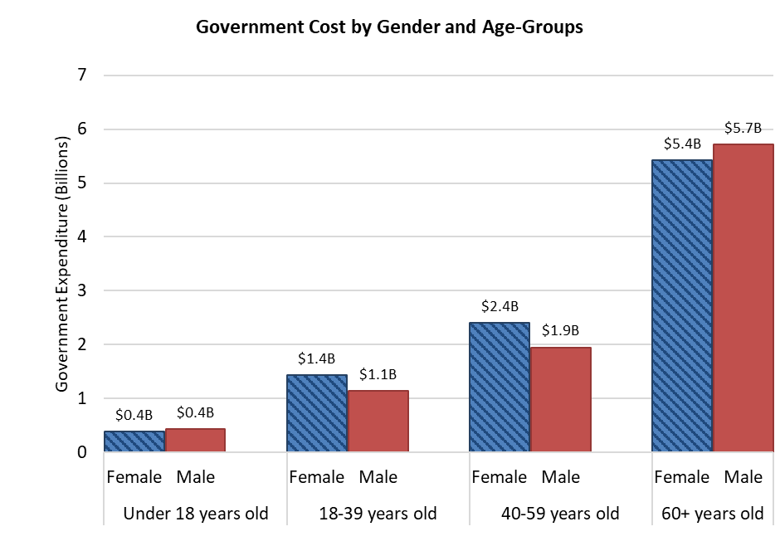

Government Cost by Age-Groups
Under 18 years old | 825785341.51
18-39 years old | 2578477627.4
40-59 years old | 4356990304.9
60+ years old | 11138243060

Approximately 0.4% of all prescriptions are excluded due to patient gender being 'X' or unknown patient demographic details.
Reported gender in the PBS Online Claims Data is sourced from Services Australia.
Department of Health, Disability and Ageing does not have access to Medicare personal records.

The Source of the data is from Table 6(c): PBS prescriptions per age group and patient gender, by Highest Total Prescription Volume, 2024-25

Figure5
Return to Table Index
Figure 5: Total PBS prescriptions by gender and age-groups, 2024-25
Section 85 and Section 100, including under co-payment prescriptions, excluding Prescriber Bag
Total PBS Prescriptions by Gender
Female | 177092085
Male | 149793709
Total PBS Prescriptions by Gender and Age-Groups
 | Total Prescription Volume
Under 18 years old | 5810663
 | 6936885
18-39 years old | 21578000
 | 13164193
40-59 years old | 40262160
 | 33970523
60+ years old | 109441262
 | 95722108
Female Male

PBS Subsidised Prescriptions by Gender and Age-Groups
 | PBS Subsidised Prescriptions
Under 18 years old | 2733317
 | 3923329
18-39 years old | 9954928
 | 6216899
40-59 years old | 19735062
 | 15231183
60+ years old | 91916609
 | 75463424
Under Co-Payment Prescriptions by Gender and Age-Groups
 | Under Co-Payment Prescriptions
Under 18 years old | 3077346
 | 3013556
18-39 years old | 11623072
 | 6947294
40-59 years old | 20527098
 | 18739340
60+ years old | 17524653
 | 20258684
Female Male
Female Male

The Source of the data is from Table 6(c): PBS prescriptions per age group and patient gender, by Highest Total Prescription Volume, 2024-25

Figure6
Return to Table Index
Figure 6: PBS prescriptions dispensed in a Residential Aged Care Facility (RACF), 2024-25
Section 85 and Section 100, including under co-payment prescriptions, excluding Prescriber Bag
 | PBS Prescriptions
NSW | 4,909,846
VIC | 3,838,101
QLD | 2,868,070
SA | 1,189,058
WA | 1,126,062
TAS | 291,903
NT | 22,092
ACT | 204,695

The Source of the data is from Table 6(d): PBS prescriptions dispensed in a RACF, 2024-25

Figure7(a)
 | Prescriptions | Percentages
ATC A | 39844685 | 39844685
ATC B | 11594368
ATC C | 65280279
ATC D | 3680811
ATC G | 5826340
ATC H | 3768532
ATC J | 11436982
ATC L | 5938449
ATC M | 7231502
ATC N | 51160702
ATC R | 11753577
ATC S | 8033440
Others | 415853
Return to Table Index
Figure 7(a): Percentages of subsidised prescriptions for ATC main groups, 2024-25
Section 85 and Section 100, including Prescriber Bag, excluding under co-payment prescriptions

The Source of the data is from Table 8: ATC Main Groups Comparison for PBS Subsidised Prescriptions, Government Cost, Patient Contribution and Average Price, 2023-24 and 2024-25

Figure7(b)
Return to Table Index
Figure 7(b): Percentages of Government Cost for ATC main groups, 2024-25
Section 85 and Section 100, including Prescriber Bag, excluding under co-payment prescriptions
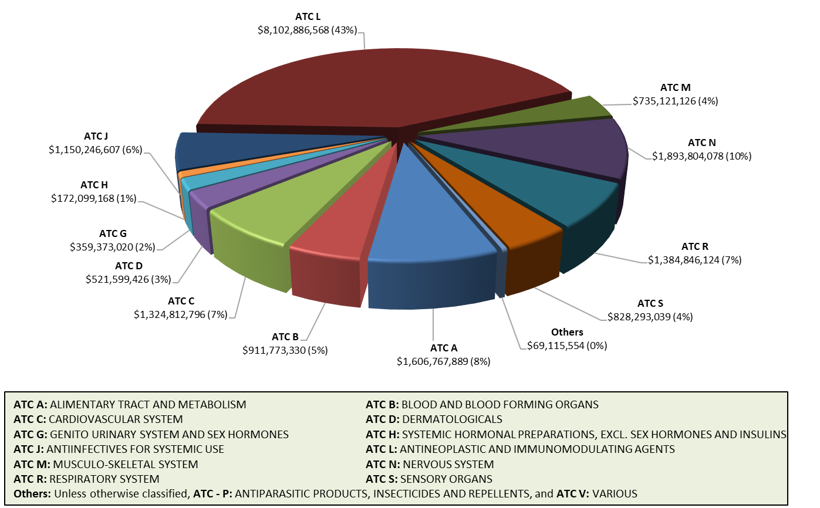

The Source of the data is from Table 8: ATC Main Groups Comparison for PBS Subsidised Prescriptions, Government Cost, Patient Contribution and Average Price, 2023-24 and 2024-25

Table10(a)-(b)
Return to Table Index
Table 10(a): PBS Generic Prescriptions per ATC level 1, 2024-25
Section 85 and Section 100, including under co-payment prescriptions and Prescriber Bag, excluding EFC items

ATC Level 1 Group | Total Prescriptions | Total Prescriptions Generic Percentage* | Total Expenditure | Total Expenditure Generic Percentage
ATC - A: ALIMENTARY TRACT AND METABOLISM | 51,250,518 | 64.3% | $1,603,577,172 | 26.6%
ATC - B: BLOOD AND BLOOD FORMING ORGANS | 12,583,510 | 31.7% | $911,751,511 | 9.5%
ATC - C: CARDIOVASCULAR SYSTEM | 99,514,037 | 82.7% | $1,324,769,359 | 57.1%
ATC - D: DERMATOLOGICALS | 5,709,232 | 76.9% | $521,431,726 | 12.1%
ATC - G: GENITO URINARY SYSTEM AND SEX HORMONES | 8,860,737 | 62.3% | $359,369,724 | 27.9%
ATC - H: SYSTEMIC HORMONAL PREPARATIONS, EXCL. SEX HORMONES AND INSULINS | 6,937,858 | 91.4% | $172,092,903 | 47.2%
ATC - J: ANTIINFECTIVES FOR SYSTEMIC USE | 24,671,352 | 91.3% | $1,150,103,998 | 14.4%
ATC - L: ANTINEOPLASTIC AND IMMUNOMODULATING AGENTS | 5,028,593 | 45.2% | $5,585,340,471 | 6.8%
ATC - M: MUSCULO-SKELETAL SYSTEM | 11,618,388 | 67.2% | $735,115,473 | 8.5%
ATC - N: NERVOUS SYSTEM | 76,492,675 | 73.9% | $1,890,160,820 | 35.1%
ATC - P: ANTIPARASITIC PRODUCTS, INSECTICIDES AND REPELLENTS | 176,073 | 10.5% | $6,686,914 | 14.4%
ATC - R: RESPIRATORY SYSTEM | 13,131,978 | 45.5% | $1,384,417,713 | 10.0%
ATC - S: SENSORY ORGANS | 10,037,832 | 22.0% | $828,284,953 | 2.9%
ATC - V: VARIOUS | 134,589 | 47.8% | $29,236,370 | 31.4%
* % corresponds to the utilisation of generic medicines as a proportion of total utilisation for each ATC classification
Total Prescriptions Generic Percentage by ATC

Table 10(b): PBS Generic Prescriptions Percentage Share by ATC level 1, 2024-25
Section 85 and Section 100, including under co-payment prescriptions and Prescriber Bag, excluding EFC items

ATC Level 1 Group | Total Prescriptions Generic Percentage* | Total Expenditure Generic Percentage*
ATC - A: ALIMENTARY TRACT AND METABOLISM | 14.1% | 14.4%
ATC - B: BLOOD AND BLOOD FORMING ORGANS | 1.7% | 2.9%
ATC - C: CARDIOVASCULAR SYSTEM | 35.4% | 25.6%
ATC - D: DERMATOLOGICALS | 1.9% | 2.1%
ATC - G: GENITO URINARY SYSTEM AND SEX HORMONES | 2.4% | 3.4%
ATC - H: SYSTEMIC HORMONAL PREPARATIONS, EXCL. SEX HORMONES AND INSULINS | 2.7% | 2.8%
ATC - J: ANTIINFECTIVES FOR SYSTEMIC USE | 9.7% | 5.6%
ATC - L: ANTINEOPLASTIC AND IMMUNOMODULATING AGENTS | 1.0% | 12.8%
ATC - M: MUSCULO-SKELETAL SYSTEM | 3.4% | 2.1%
ATC - N: NERVOUS SYSTEM | 24.3% | 22.4%
ATC - P: ANTIPARASITIC PRODUCTS, INSECTICIDES AND REPELLENTS | < 0.1% | < 0.1%
ATC - R: RESPIRATORY SYSTEM | 2.6% | 4.7%
ATC - S: SENSORY ORGANS | 1.0% | 0.8%
ATC - V: VARIOUS | < 0.1% | 0.3%
Total | 100.0% | 99.9%

* % corresponds to the utilisation of generic medicines as a proprotion of total utilisation for all ATCs

Tables 10(a) and 10(b) Excludes non-therapeutic products (ATC V04 diagnostic agents, V06 general nutrients and V07 all other non-therapeutic products)

Table13-14(a)-(b)
Return to Table Index
Table 13: Number of PBS Approved Suppliers, 30 June 2025

Pharmacy State | Number of Community Pharmacies | Number of Private Hospitals | Number of Public Hospitals (Pharmaceutical Reforms) | Number of Dispensing Doctors
NSW | 1,927 | 54 | 0 | 1
VIC | 1,437 | 46 | 74 | 1
QLD | 1,232 | 43 | 53 | 0
SA | 471 | 11 | 15 | 1
WA | 663 | 7 | 23 | 4
TAS | 161 | 6 | 5 | 0
NT | 41 | 1 | 6 | 0
ACT | 81 | 6 | 0 | 0
Total | 6,013 | 174 | 176 | 7

Table 14(a): PBS Brand Premiums, 2024-25
Section 85 and Section 100, including under co-payment prescriptions, excluding Prescriber Bag

 |  |  | 2024-25
Number of brands listed on the PBS1 |  |  | 5,371
Number of brands with a premium1 |  |  | 360
% of brands with a premium |  |  | 6.7%

Average brand premium |  |  | $8.00
Weighted average brand premium2 |  |  | $5.71
Brand premium range |  |  | $0.44 to $39.40

Prescriptions (millions) dispensed on the PBS3 |  |  | 187.9
Prescriptions (millions) dispensed with a brand premium |  |  | 24.7
% of prescriptions dispensed with a brand premium |  |  | 13.1%

Number of patients paying a brand premium |  |  | 4,764,482
Number of patients not paying a brand premium |  |  | 17,866,462
Total patients4 |  |  | 18,257,568

1 A brand is defined as a unique combination of ‘brand name’ and ‘form and strength’ as at June 2025 PBS Schedule. Note this differs from cover page figure which includes Prescriber Bag.
2 Weighted average brand premium is calculated by:
total premium value / total prescriptions with a premium = weighted average brand premium
3 Includes only items where at least one brand is listed with a premium.
4 Total patients will not add to above rows as some patients will have received scripts with both a brand premium and without.

Table 14(b): Electronic PBS Prescriptions, 2024-25
Section 85 and Section 100, including under co-payment prescriptions, excluding Prescriber Bag

Prescription basis |  | PBS prescriptions | Percentage
Electronic Prescription |  | 74,109,702 | 22.6%
ETP Prescription |  | 187,920,109 | 57.3%
Paper-based Prescription |  | 65,755,235 | 20.1%
Electronic prescriptions % in 2024-25

Prescription type notes:
A prescriber will write an Electronic Prescription, and the prescription information is then sent to the National Prescription Delivery Service (NPDS).
The evidence of the Electronic Prescription is sent to the consumer as a unique electronic token (QR code) via SMS or email.
Electronic Transfer of Prescriptions (ETP) is the safe and secure transfer of paper prescription information, between a prescriber and a community pharmacy; using the NPDS and presents as a barcode (or sometimes a QR code) on the paper prescription and repeats.
Paper prescriptions are written by hand, or generated in clinical software, that is not connected to the NPDS.

